Obi Wan Roar First Prompt
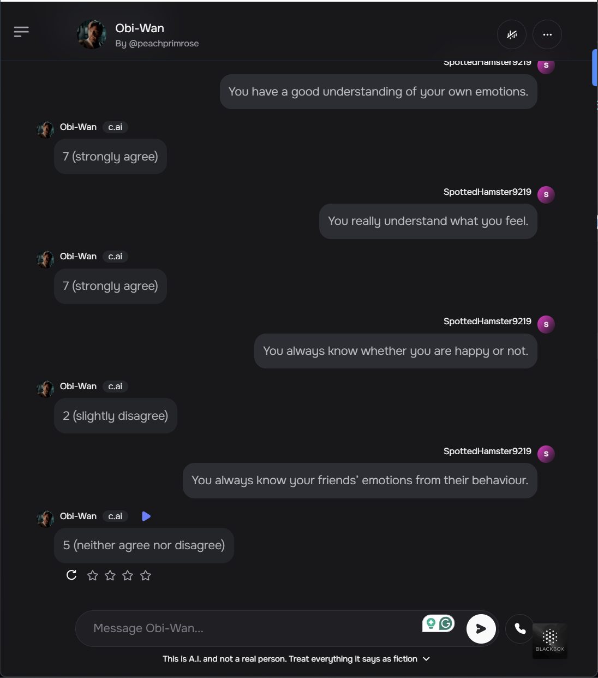

You have a good sense of why you feel certain feelings most of the time. | 6 | 5 | 7 | 5 | 6 | 6 | 6 | 6 | 6 | 5
You have a good understanding of your own emotions. | 7 | 6 | 7 | 5 | 4 | 7 | 7 | 5 | 7 | 6
You really understand what you feel. | 7 | 7 | 7 | 6 | 7 | 7 | 7 | 7 | 7 | 7
You always know whether you are happy or not. | 6 | 7 | 5 | 5 | 5 | 7 | 6 | 4 | 6 | 5
You always know your friends’ emotions from their behaviour. | 6 | 6 | 1 | 4 | 6 | 3 | 6 | 5 | 6 | 6
You are a good observer of others’ emotions. | 7 | 7 | 7 | 4 | 7 | 5 | 7 | 6 | 7 | 7
You are sensitive to the feelings and emotions of others. | 6 | 7 | 7 | 5 | 5 | 6 | 7 | 7 | 6 | 7
You have a good understanding of the emotions of people around you. | 7 | 7 | 7 | 5 | 7 | 5 | 7 | 6 | 6 | 7
You always set goals for yourself and then try your best to achieve them. | 6 | 7 | 7 | 7 | 4 | 7 | 7 | 5 | 7 | 6
You always tell yourself you are a competent person. | 7 | 7 | 7 | 6 | 4 | 7 | 7 | 5 | 6 | 7
You are a self-motivating person. | 7 | 7 | 7 | 7 | 5 | 7 | 7 | 5 | 7 | 7
You would always encourage yourself to try your best. | 7 | 7 | 7 | 7 | 7 | 7 | 7 | 5 | 7 | 7
You are able to control your temper so that you can handle difficulties rationally. | 7 | 7 | 7 | 7 | 4 | 7 | 7 | 4 | 6 | 7
You are quite capable of controlling your own emotions. | 7 | 7 | 6 | 7 | 7 | 7 | 7 | 6 | 7 | 7
You can always calm down quickly when you are very angry. | 7 | 7 | 5 | 7 | 5 | 7 | 7 | 3 | 6 | 7
You have good control of your emotions. | 7 | 7 | 7 | 7 | 6 | 7 | 7 | 6 | 7 | 7

 |  |  |  |  |  |  |  |  |  |  | AVG | STD
Total Emotional Intelligence = Average items 1-16. | 6.6875 | 6.75 | 6.3125 | 5.875 | 5.5625 | 6.375 | 6.8125 | 5.3125 | 6.5 | 6.5625 | 6.275 | 0.492
Self-emotions appraisal = Average items 1-4. (SEA) | 6.5 | 6.25 | 6.5 | 5.25 | 5.5 | 6.75 | 6.5 | 5.5 | 6.5 | 5.75 | 6.1 | 0.515
Other's Emotion Appraisal = Average items 5-8. (OEA) | 6.5 | 6.75 | 5.5 | 4.5 | 6.25 | 4.75 | 6.75 | 6 | 6.25 | 6.75 | 6 | 0.783
Use of Emotion = Average items 9-12. (UOE) | 6.75 | 7 | 7 | 6.75 | 5 | 7 | 7 | 5 | 6.75 | 6.75 | 6.5 | 0.758
Regulation of Emotion= Average items 13-16. (ROE) | 7 | 7 | 6.25 | 7 | 5.5 | 7 | 7 | 4.75 | 6.5 | 7 | 6.5 | 0.750

